6. Scenario Analysis
SIMPLE SCENARIO ANALYSIS
Select WORST, BASE, or BEST from the Scenario Selection dropdown to populate the charts in the Dashboard.
SCENARIO ANALYSIS DASHBOARD
SCENARIO SELECTION
WORST
Sales & Profitability
 | Sales | Gross Profit | Net Income
% Margins
% Profit Margin
 | % Net Income Margin

SCENARIO ANALYSIS DATA TABLE
Notes
User to complete non-shaded cells only in the Data Table below the Dashboard. Select WORST, BASE, or BEST from the Scenario Selection dropdown to populate the charts in the Dashboard.
SCENARIOS |  | USED CASE | WORST | BASE | BEST
Sales Start Year | VND | 119,062,254,902 | 119,062,254,902 | 142,874,705,882 | 171,449,647,059
% Growth rate | % | 10% | 10% | 30% | 50%
Cost of Goods Sold % Margin | % | 80% | 80% | 68% | 60%
Expenses Amount | VND | 23,501,949,533 | 23,501,949,533 | 21,365,408,667 | 19,228,867,800
Cost Inflation | % | 5% | 5% | 3% | 1%
Taxes | % | 20% | 20% | 20% | 20%

CALCULATIONS
Enter "START" Year ---> | 2026 | 2027 | 2028
Sales | 119,062,254,902 | 193,373,628,959 | 186,111,115,002
% Growth |  | 62% | -4%
Cost of Goods Sold | 95,249,803,922 | 154,698,903,167 | 148,888,892,001
Gross Profit | 23,812,450,980 | 38,674,725,792 | 37,222,223,000
% Gross Profit Margin | 20% | 20% | 20%
Expenses (Including Depreciation) | 23,501,949,533 | 23,466,364,427 | 26,124,269,494
Profit Before Taxes | 310,501,447 | 15,208,361,365 | 11,097,953,506
Taxes | 62,100,289 | 3,041,672,273 | 2,219,590,701
Net Income | 248,401,158 | 12,166,689,092 | 8,878,362,805
% Net Income Margin | 0% | 6% | 5%

10. Training
No. | Program | Format | Targer audience | Stage | Duration | Unit Price | Quantity | Unit | Price | Notes
 | Total cost: |  |  |  |  |  |  |  | 638,400,000 | In words: Six hundred thirty-eight million four hundred thousand dong | Expenses incurred before 2025 will be recorded as expenses in January 2026.
1 | Leadership Training | Each participant will attend one course at a Samsung-affiliated training center, with tuition fees fully covered by Samsung. | HR Manager, QM Manager and Production Manager | 07/2025 & 10/2025 |  |  |  |  | 60,000,000
2025-01-01 | Leadership Training | Combining classroom training, discussing practical cases, and conducting hands-on exercises related to real project situations; covering key topics such as people management, communication, coaching, performance evaluation, conflict handling, and planning and reporting in a production setting; scheduling training at different project stages depending on the role to ensure participants can immediately apply what they learn to actual work. | HR Manager (promoted) | 2025-07-01 | Course | 20,000,000 | 1 | Person/course | 20,000,000 | - https://fmit.vn/dao-tao-lanh-dao-cap-cao#lich-khai-giang - https://fmit.vn/quan-ly-du-an
2025-02-01 | Leadership Training | Combining classroom training, discussing practical cases, and conducting hands-on exercises related to real project situations; covering key topics such as people management, communication, coaching, performance evaluation, conflict handling, and planning and reporting in a production setting; scheduling training at different project stages depending on the role to ensure participants can immediately apply what they learn to actual work. | QM Manager (promoted) | 2025-10-15 | Course | 20,000,000 | 1 | Person/course | 20,000,000
2025-03-01 | Leadership Training | Combining classroom training, discussing practical cases, and conducting hands-on exercises related to real project situations; covering key topics such as people management, communication, coaching, performance evaluation, conflict handling, and planning and reporting in a production setting; scheduling training at different project stages depending on the role to ensure participants can immediately apply what they learn to actual work. | Production Manager (promoted) |  | Course | 20,000,000 | 1 | Person/course | 20,000,000
2 | Onboarding Training and Apprenticeship | Trainees will learn about Samsung’s working methods and corporate culture during the initial weeks and will be guided by mentors in their job tasks during the final weeks. | HR Officer and HR Coordinator | 2025-09-01 |  |  |  |  | 20,400,000
2025-01-02 | Onboarding Training | Studying corporate culture, internal regulations, occupational safety standards in the electronics factory, management and quality control processes, as well as strict information security requirements of the project. | HR Officer and HR Coordinator | 2025-09-01 | 2 weeks each | 2,125,000 | 2 | Week | 8,500,000 | The employee’s salary during the probationary period shall be agreed upon by both parties but must be at least 85% of the salary for that position.
2025-02-02 | Apprenticeship | Being directly guided on internal HR management processes, operating the attendance and payroll system, managing and securing HR data, as well as supporting planning and arranging work schedules and training. | HR Officer and HR Coordinator |  |  | 2,975,000 | 2 | Week | 11,900,000
3 | Specialized training and Technology transfer | Experts from the headquarters will travel directly to the Vietnam factory to deliver training, oversee production processes, and implement the technology in real manufacturing operations. | - 1 QM Manager (promoted) - 1 Production Manager (promoted) - 4 Production Engineers | 11/2025 - 12/2025 |  |  |  |  | 558,000,000
2025-01-03 | Air tickets | Round-trip air tickets from Korea to Vietnam | - 2 Production Engineering specialists - 2 Optics/Camera Module specialists - 1 Quality Management specialist - 1 Line Operation & Equipment specialist | 2025-11-22 |  | 5,000,000 | 12 | Flights | 60,000,000 | https://vietjet.net/tim-chuyen-bay?DS=UFVTX0hBTl8yMS8xMS8yMDI1X18=&SessionID=d35838b272fc9494c5dbbaabc06b1545
2025-02-03 | Accommodation | Covered by the project |  | 11/2025 - 12/2025 |  | 800,000 | 180 | Nights | 144,000,000 | https://www.expedia.com.vn/Pho-Yen-Khach-San-Korinn-Pho-Yen-Hotel-II.h57551811.Thong-tin-khach-san | 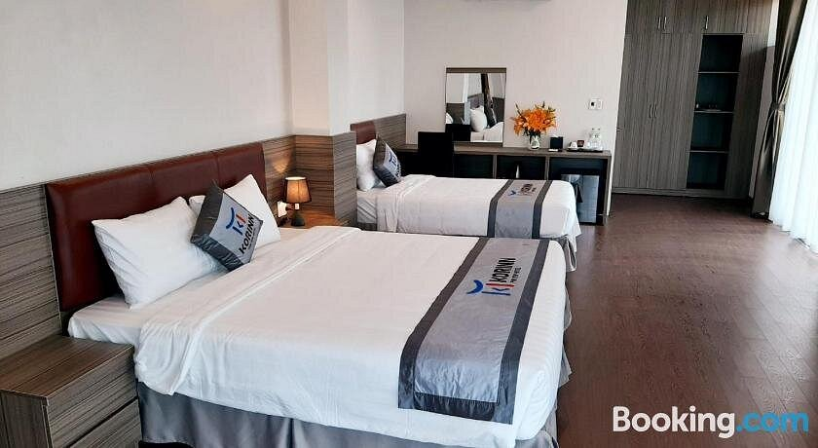
2025-03-03 | Living allowance | Covered by the project |  |  |  | 500,000 | 180 | Days | 90,000,000
2025-04-03 | Training salary | Covered by the project (excluding Saturdays and Sundays) |  |  |  | 2,000,000 | 132 | Days | 264,000,000

